Empty
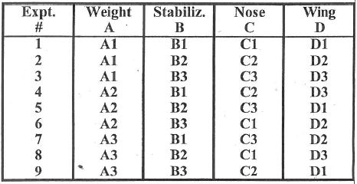
Name | Exp. # | Distance 1 | Distance 2 | Average | A1 | A2 | A3 | B1 | B2 | B3
Student | 1 |  |  | #DIV/0!
Student | 1
Student | 2 |  |  | #DIV/0!
Student | 2
Student | 3 |  |  | #DIV/0!
Student | 3
Student | 4 |  |  | #DIV/0!
Student | 4
Student | 5 |  |  | #DIV/0!
Student | 5
Student | 6 |  |  | #DIV/0!
Student | 6
Student | 7 |  |  | #DIV/0!
Student | 7
Student | 8 |  |  | #DIV/0! | C1 | C2 | C3 | D1 | D2 | D3
Student | 8
Student | 9 |  |  | #DIV/0!
Student | 9

